AC Scorecard
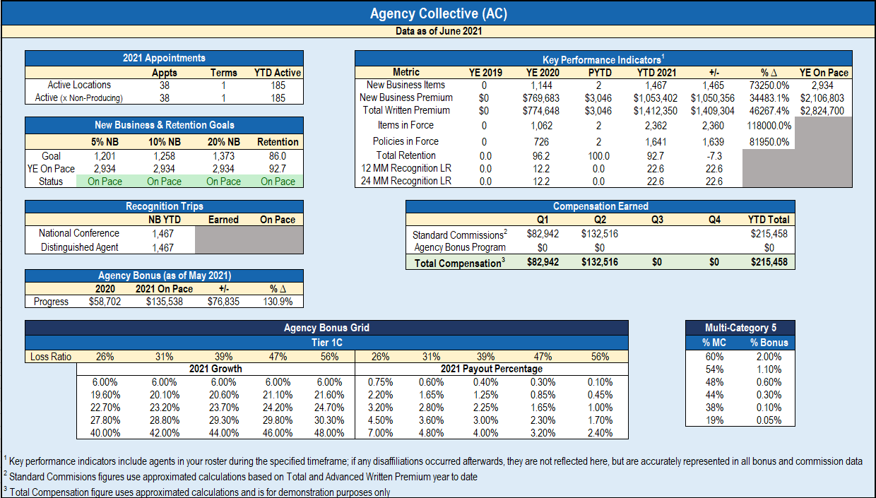

New Business Goal
$2,500,000
On Pace to $2,106,803

